Index
 |  |  |  | Report No.#: | 1
CLIENT.: | DP WORLD |  |  | DATE: | 2018-12-09
CONSULTANT.: | PACER |  |  | REV: | 0
MAIN CONTRACTOR | ROWAD MODERN ENGINEERING |  |  | Project Start Date | 2018-11-12
PROJECT NAME: | DPW SOKHNA PORT |  |  | Project Completion Date | 2020-05-10
PROJECT NO.: |  |  |  | Days Elapsed | 27
CONTRACT NO.: |  |  |  | Duration % Complete | 5%
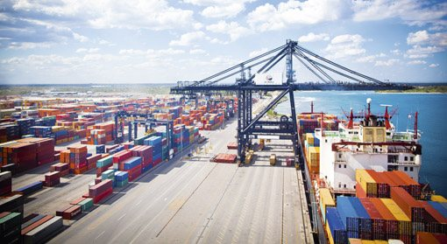
 |  |  | Contents

 |  |  | 1- | ENVIROMENTAL, HEALTH AND SAFETY

 |  |  | 2- | DAILY INDIRECT/DIRECT RECORD

 |  |  | 3- | DAILY EQUIPMENT RECORD

 |  | Project Photo | 4- | DAILY SITE ACTIVITIES AND AREA OF CONCERN

 |  |  | 5- | DAILY SITE PROGRESS PHOTOS

